CFA Menu - Monday
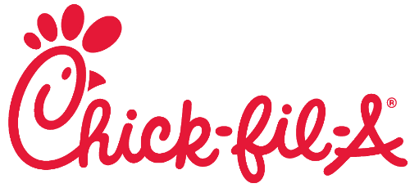
 |  | Brand Name:
 |  | Effective Date:
 |  | Provided By:

 |  |  | T-40
SKU | Menu Item | Sublocation | Chick-fil-A | Order | Sauces | Selection
160001 | Chick-fil-A Sandwich | Entrees (a la carte) | $5.25 |  | CFA
160035 | Grilled Chicken Sandwich | Entrees (a la carte) | $6.89 |  | Ranch
140033 | Grilled Nuggets (8) | Entrees (a la carte) | $6.15 |  | Buffalo
140002 | Nuggets (8) | Entrees (a la carte) | $5.35 |  | Honey Mustard
150031 | Salad, Cobb | Entrees (a la carte) | $9.79
150040 | Salad, Market w/ Cold Grilled Filet | Entrees (a la carte) | $9.99 |  | Dressings | Selection
150058 | Salad, Spicy SW w/ CFA Filet | Entrees (a la carte) | $9.99 |  | Ranch
160014 | Spicy Chicken Sandwich | Entrees (a la carte) | $5.55 |  | Basalmic
210018 | Wrap, Grilled Chicken Cool | Entrees (a la carte) | $8.45 |  | Apple Cidar
30096 | Custom Fruit Cup, Small | Side Items | $4.25 |  | Avacado Lime
90005 | Potato Chips, Waffle Cut | Side Items | $2.19 |  | Creamy Salsa

 | Bottled Beverages

 | Menu Item | Pricing | Order

 | Bottled Water | $2.29
 | Pepsi 20oz | $2.69
 | Diet Pepsi 20oz | $2.69
 | Dr Pepper 20oz | $2.69
 | Diet Dr. Pepper 20oz | $2.69
 | Pure Leaf Tea - Unsweet | $3.29
 | Pure Leaf Tea - Sweet | $3.29

